XelPlus Insider
Helped 400,000+ professionals upgrade their analytic skills


Who We Are
At XelPlus, we understand the challenges of mastering data tools like Excel and Power BI. You see, most people don’t realize how much easier their work could be - until they learn the right skills. Are you ready to see what you’ve been missing? Check out our courses here

Join Our Bestselling Courses Now

Here’s What Our Students Are Saying:

The Black Belt Bundle gave me 'AH-HA' moments every step of the way.
I'm now able to use Power Query and create dashboards in no time! I'm very excited about it!
- Christian Fiset
Absolutely eye-opening; Leila is an expert instructor who makes learning Excel enjoyable and easy to follow.
- Aimee Schumacher
This course has enabled me to finish jobs in 5-10% of the time due to my ability to process Excel so far.
It has also given me the confidence to better get around Excel.
- Mitchell Ryan

Moving Around
Navigating an Excel worksheet

Task 1 | Define the address of the cell / range of cells highlighted in orange.
 | Put your answers in the cells highlighted in green.
 |  |  |  | What is the address of the range highlighted in orange? ↓
 |  |  | Answer |  |  |  | Answer
 | What is the address of this cell? → | 123 | C7 | 1 | 5 | 9 | G7:I10
 |  |  |  | 2 | 6 | 10
 | Jump to cell E200 to check the correct answer (then jump back). |  |  | 3 | 7 | 11
 |  |  |  | 4 | 8 | 12 | Jump to cell K200 to check the correct answer.

Task 2 | Using the Move Handle, move the value from cell D12 to cell E13. |  | Move me

Task 3 | What is the number of rows in an Excel sheet? |  | 1048576
 | Jump to the very end of the spreadsheet to
 | check the last row number.

Learning Excel Is A Journey – Your First Destination Is This Course.

Task 4 | Wrap this text so that it fits in a single column without overflowing to the next columns.

 |  |  | C7 |  |  |  | G7:I10

Format Data & SUM Values
Headcount by Department

 | Jan | Feb | Mar | Apr | May | Jun
Marketing | 20 | 20 | 20 | 20 | 20 | 20
Sales | 10 | 10 | 15 | 15 | 16 | 18
Finance | 5 | 5 | 5 | 6 | 5 | 6
HR | 1 | 2 | 2 | 2 | 2 | 2
Total | 36 | 37 | 42 | 43 | 43 | 46

Task 1 | Format the report above to look like the example below:
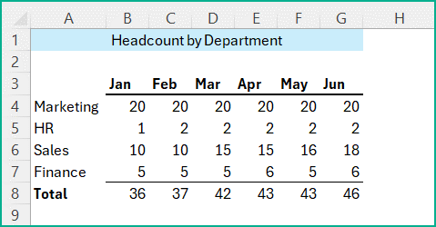

 | Make sure all the values fit inside the columns (resize if needed).
 | Move the HR row between the Marketing and Sales rows.
 | Add a total row and summarize the values for each month.

Task 2 | Calculate the totals for each person and for each day of the week
 | (sum the respective values). Then calculate the overall total.

 | Mon | Tue | Wed | Thu | Fri | Total
Walter | 45 | 43 | 34 | 29 | 28 | 179
Jessie | 24 | 22 | 22 | 52 | 27 | 147
Michael | 51 | 56 | 42 | 24 | 23 | 196
Omar | 40 | 28 | 57 | 37 | 49 | 211
Kim | 35 | 30 | 29 | 59 | 55 | 208
Total | 195 | 179 | 184 | 201 | 182 | 941

 |  |  |  |  |  | NOTE: MUST VALIDATE COLUMN/ROW SUMS

